Layout
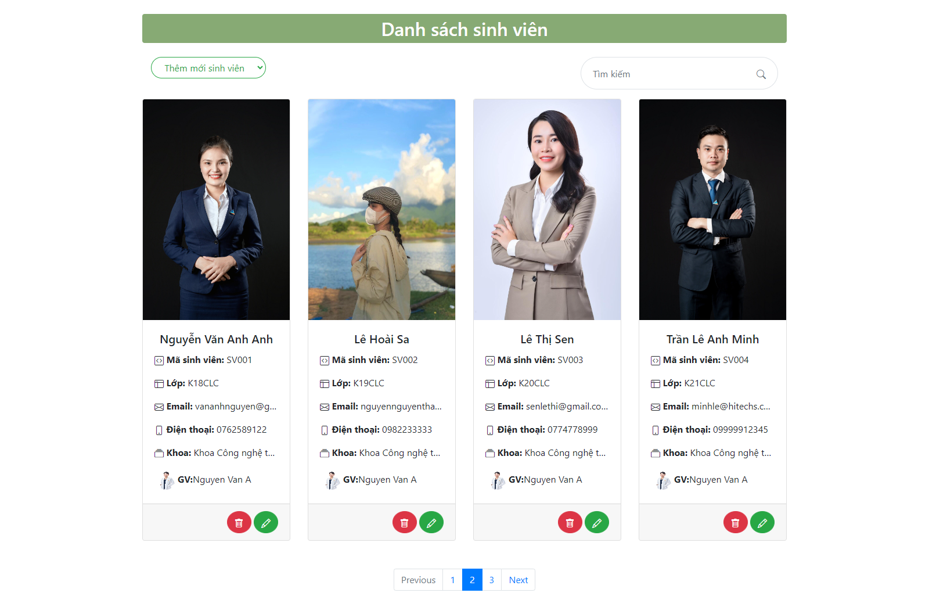
6.4.1 Màn hình quản lí sinh viên dành cho Admin

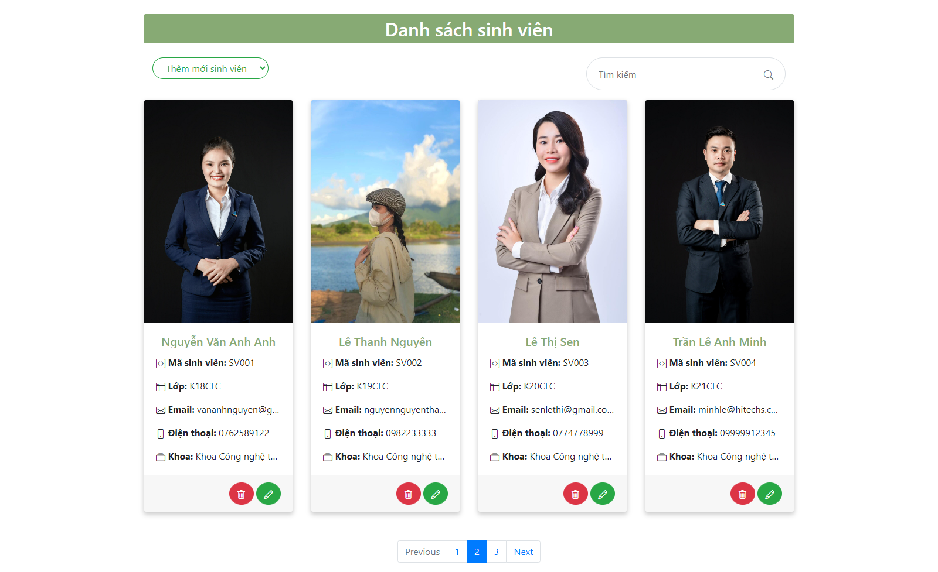

6.8.4 Màn hình quản lí sinh viên dành cho Teacher

